Views and screen shot
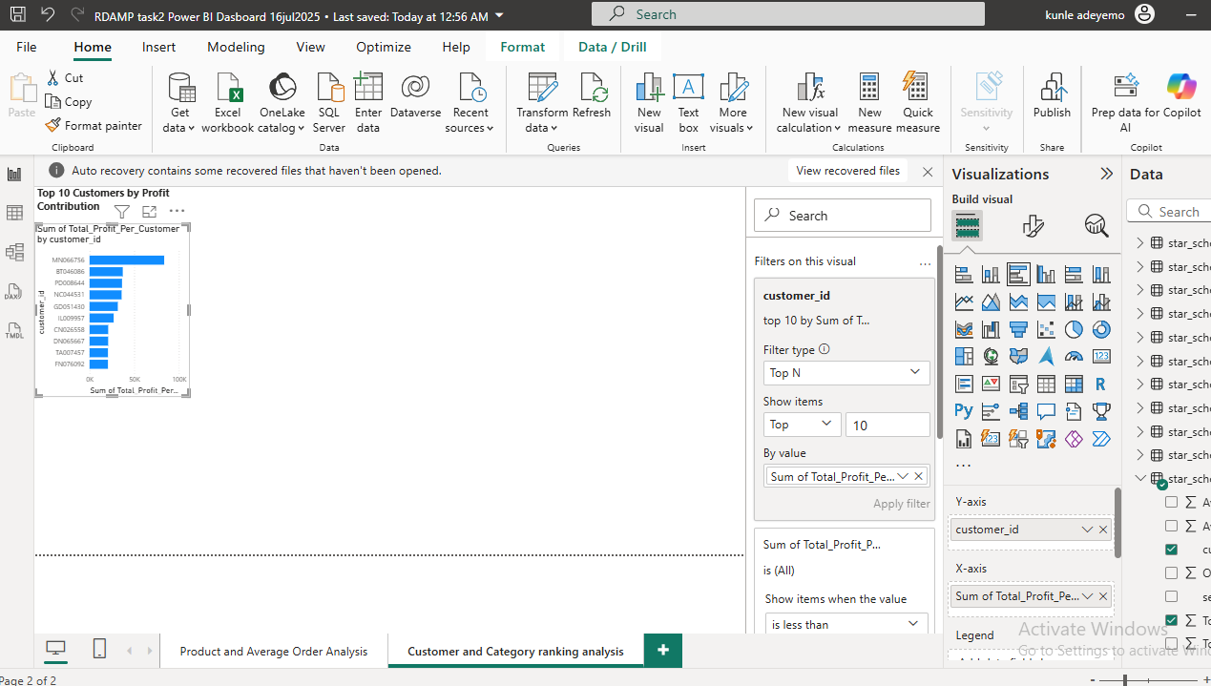
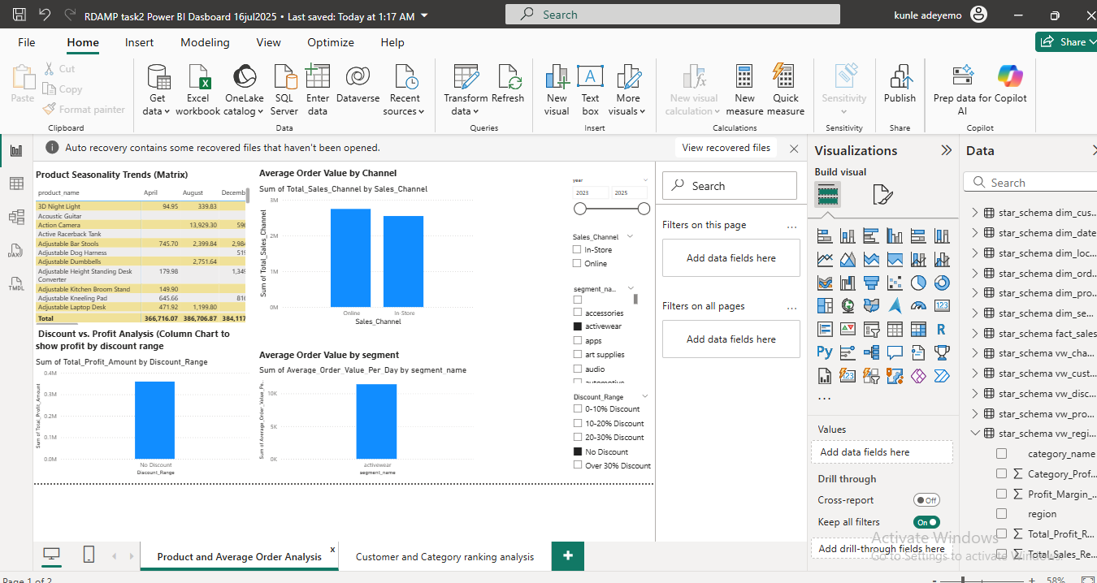
-- 2. vw_discount_impact_analysis: Correlation between discounts and profits
#NAME?
#NAME?
CREATE VIEW star_schema.vw_discount_impact_analysis AS
SELECT
CASE
WHEN fs.Discount_Amount = 0 THEN 'No Discount'
WHEN fs.Discount_Amount > 0 AND fs.Discount_Amount <= 0.1 THEN '0-10% Discount'
WHEN fs.Discount_Amount > 0.1 AND fs.Discount_Amount <= 0.2 THEN '10-20% Discount'
WHEN fs.Discount_Amount > 0.2 AND fs.Discount_Amount <= 0.3 THEN '20-30% Discount'
ELSE 'Over 30% Discount'
END AS Discount_Range,
COUNT(*) AS Number_of_Transactions,
SUM(fs.Total_sales) AS Total_Sales_Amount,
SUM(fs.Profit) AS Total_Profit_Amount,
AVG(fs.Profit) AS Average_Profit_Per_Transaction,
AVG(fs.Discount_Amount) AS Average_Discount_Applied
FROM
star_schema.fact_sales fs
GROUP BY
Discount_Range
ORDER BY
Discount_Range;

-- vw_customer_order_pattern: Average order value, frequency, and profit per customer segment
#NAME?
CREATE VIEW star_schema.vw_customer_order_pattern AS
SELECT
ds.segment_name,
dc.customer_id, -- customer_id for individual customer analysis within segments
COUNT(DISTINCT fs.date_key) AS Order_Frequency_Days, -- Number of distinct days a customer ordered
SUM(fs.Total_sales) AS Total_Sales_Per_Customer,
SUM(fs.Quantity) AS Total_Quantity_Per_Customer,
SUM(fs.Profit) AS Total_Profit_Per_Customer,
AVG(fs.Total_sales / fs.Quantity) AS Average_Unit_Price, -- Average price per unit sold
SUM(fs.Total_sales) / COUNT(DISTINCT fs.date_key) AS Average_Order_Value_Per_Day -- Simplified AOV
FROM
star_schema.fact_sales fs
JOIN
star_schema.dim_customer dc ON fs.customer_key = dc.customer_key
JOIN
star_schema.dim_segment ds ON fs.segment_key = ds.segment_key
GROUP BY
ds.segment_name,
dc.customer_id
ORDER BY
ds.segment_name,
Total_Sales_Per_Customer DESC;

vw_channel_margin_report: Profitability comparison across online vs in-store
-- This view assumes 'Order Mode' in dim_order_mode differentiates between channels.
CREATE VIEW star_schema.vw_channel_margin_report AS
SELECT
dom.order_mode AS Sales_Channel,
SUM(fs.Total_sales) AS Total_Sales_Channel,
SUM(fs.Total_cost) AS Total_Cost_Channel,
SUM(fs.Profit) AS Total_Profit_Channel,
(SUM(fs.Profit) / SUM(fs.Total_sales)) * 100 AS Profit_Margin_Percentage
FROM
star_schema.fact_sales fs
JOIN
star_schema.dim_order_mode dom ON fs.order_mode_key = dom.order_mode_key
GROUP BY
dom.order_mode
ORDER BY
Profit_Margin_Percentage DESC;

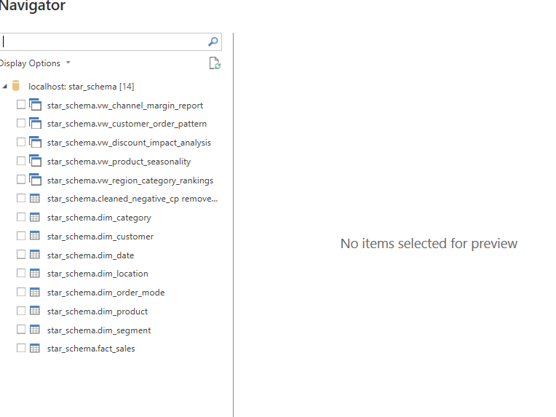

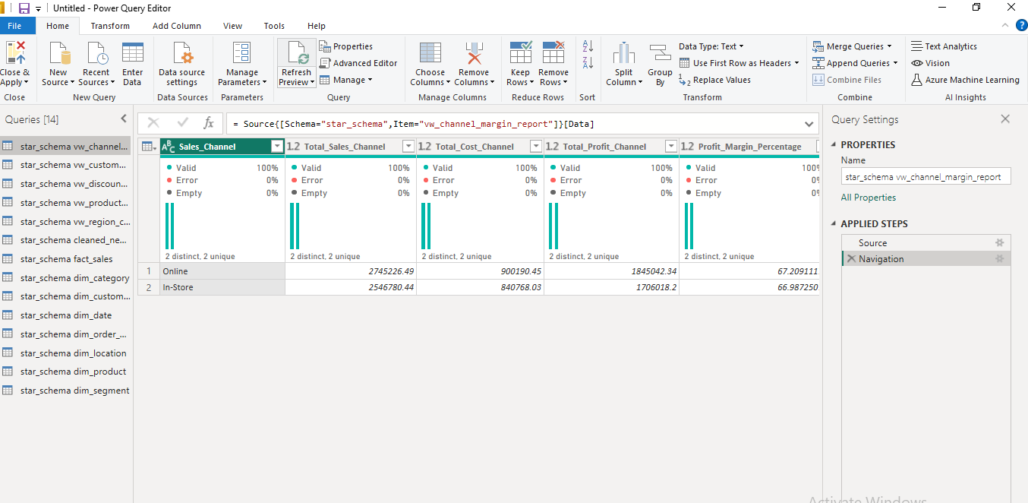

Scatter chart (for correlation) or Column chart (to show profit by discount range).

Slicer for Discount_Range to focus on specific discount levels

Interactivity: Slicers for Sales_Channel (from vw_channel_report) and segment_name (from vw_customer_order_pattern).

Diagram
